FISHING REELS
SKU | Vendor PN | UPC | Description | Photo | Original Sell Price | Original Retail | On Hand | Case Pack | Carton N. WT (KGS) | Carton G. WT (KGS) | Dimensions CM (L x W X H) |  |  |  | Extended Retail
110061437 | FSH2FL1019 | 00420001192281 | 300 Size Torrid Reel | 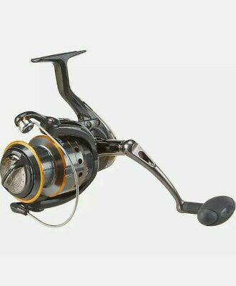 | $20.44 | $39.99 | 1200 | 12 | 3.00 | 4.60 | 30.8 | 30.5 | 32.5 | CM | $47,988.00
110059556 | FSH2FL1019 | 00420001192274 | 400 Size Torrid Reel | 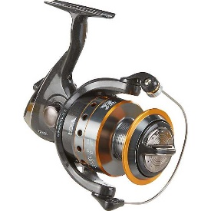 | $20.50 | $39.99 | 1260 | 12 | 3.24 | 5.20 | 31.5 | 31.2 | 32.5 | CM | $50,387.40
110061445 | FSH2FL1019 | 00420001192298 | 500 Size Torrid Reel | 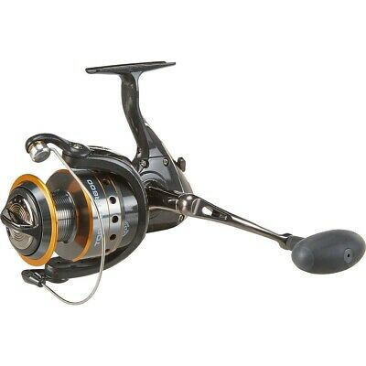 | $24.49 | $44.99 | 1176 | 12 | 4.92 | 7.30 | 34.7 | 34.0 | 35.7 | CM | $52,908.24
110061453 | FSH2FL1019 | 00420001192304 | 600 Size Torrid Reel |  | $24.55 | $44.99 | 1272 | 12 | 6.36 | 7.80 | 35.3 | 33.7 | 36.3 | CM | $57,227.28
110059521 | FSH2FL1019 | 00420001192267 | 800 Size Torrid Reel | 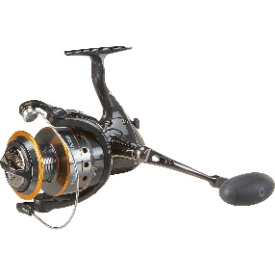 | $25.80 | $49.99 | 912 | 12 | 6.30 | 9.90 | 42.3 | 39.7 | 40.7 | CM | $45,590.88
112948824 | 153303 | 00420001552863 | 100 Size Mettle Reel | 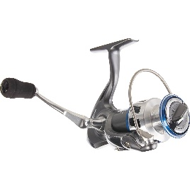 | $34.89 | $59.99 | 336 | 12 | 3.48 | 5.00 | 52.4 | 27.3 | 41.0 | CM | $20,156.64
112948867 | 153303 | 00420001552870 | 200 Size Mettle Reel | 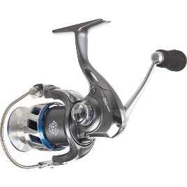 | $35.16 | $59.99 | 312 | 12 | 4.20 | 5.85 | 50.5 | 28.0 | 48.5 | CM | $18,716.88
112948891 | 153303 | 00420001552887 | 300 Size Mettle Reel |  | $35.46 | $59.99 | 300 | 12 | 4.44 | 6.10 | 50.5 | 28.0 | 48.5 | CM | $17,997.00
112948939 | 153303 | 00420001552894 | 400 Size Mettle Reel |  | $35.76 | $59.99 | 372 | 12 | 5.04 | 6.75 | 51.5 | 29.2 | 51.8 | CM | $22,316.28
112948963 | 153303 | 00420001552856 | 500 Size Mettle Reel |  | $36.11 | $59.99 | 336 | 12 | 6.36 | 8.65 | 64.2 | 36.2 | 48.5 | CM | $20,156.64
 |  |  |  |  |  |  | 7476 | 120 |  |  |  |  |  |  | $353,445.24

